1. Title Page
Grocery Basket Analysis

Date: 6/21/2023
Analyst Name: William Preddy

Contents:
Population Flow
Consistency checks
Wrangling steps
Column derivations
Visualizations
Recommendations

2. Population Flow
Title page

Population flow

Exclusion flag
Condition: max_order < $100
Obervations to be removed: 21
Final total count of order_products_all: 32,434,468

Orders_products_combined
Orders_products_merged
Orders_products_all

Total: 32,434,468
Total: 32,434,489
Total: 32,434,468

1.) The grey boxes in the first row of the population flow represent the original data sets as they were when you downloaded them. In the Total fields you need to add the count of the rows when you imported the data set into Jupyter.
2.) The second row of boxes (coloured) represents the data sets after you manipulated them, e.g., removed missing values and duplicates. In the Total fields you need to add the count of the rows after conducting these operations. This offers a visual oveview of how the data flows throughout the data consistency checks.
3.) The third row, where also the arrows are coloured, represents the merges you performed between the datasets. In the Total fields you need to add the count of the rows in the merged datasets, so that you end up with the final dataset (in the red box). Keep in mind the final dataset should be without exclusions (based on the exclusion flag).

3. Consistency checks
 |  |  |  | Title page
Consistency checks

Dataset | Missing values | Missing values treatment | Duplicates
orders | 0 | 0 | 0
products | 16 | Dropped | 5
orders_products_prior | 0 | 0 | 0
customers | 0 | 0 | 0

4. Wrangling steps
 |  |  |  | Title page
Wrangling steps

Columns dropped | Columns renamed | Columns' type changed | Comment/Reason
eval_set |  |  | No relevant data
first_name |  |  | Security
last_name |  |  | Security
 | First_name |  | changed to lowercase
 | Surname |  | changed to last_name
 | Age |  | changed to lowercase
 | Gender |  | changed to "sex"
 | orders_dow |  | changed to "orders_days_of_the_week"
 |  | order_id | changed integer to string for identification purposes
 |  | user_id | changed integer to string for identification purposes

5. Column derivations
 |  |  |  |  | Title page

Column derivations and aggregations

Dataset | New column | Column/s it was derived from | Conditions | Results
orders_products_merged | "price_range_loc" | "prices" | prices <= 5: "Low-range product" | 417682
 |  |  | 5 < prices <= 15: "Mid-range product" | 21890146
 |  |  | prices > 15: "High-range product" | 10126384
orders_products_merged | "busiest_day" | "orders_day_of_week" | if day 0 (Sat.), "Busiest day" | 6,209,632
 |  |  | if day 4 (Wed.), "Least busy" | 3,787,193
 |  |  | else: "Regularly busy" | 22,437,387
orders_products_merged | "busiest_days" | "orders_day_of_week" | if day 0 or 1 (Sat. or Sun.), "Busiest days" | 11875462
 |  |  | if day 3 or 4 (Wed. or Thurs.), "Least busy days" | 7631289
 |  |  | else: "Regularly busy days" | 12927461
orders_products_merged | "busiest period of day" | "order_hour_of_day" | 9am-4pm: "Most orders" | 21137262
 |  |  | 11pm-6am: "Fewest orders" | 1290198
 |  |  | else: "Average orders" | 10006752
orders_products_merged | "loyalty_flag" | "max_order" | max_order > 40: "Loyal customer" | 10293737
 |  |  | 10 < max_order <= 40: "Regular customer" | 15891077
 |  |  | max_order <= 10: "New customer" | 6249398
orders_products_merged | "spending_flag" | "avg_price_order" | avg_price_order < 10: "Low spender" | 31798751
 |  |  | avg_price_order >= 10: "High spender" | 635461
orders_products_merged | "frequency_flag" | "median_freq" | median > 20: "Non-frequent customer" | 3417319
 |  |  | 10 < median <= 20: "Regular customer" | 12533596
 |  |  | median <= 10: "Frequent customer" | 16483297
df_final | "Region" | "State" | "midwest" | 7603810
 |  |  | "northeast" | 5728347
 |  |  | "south" | 10801610
 |  |  | "west" | 8300445
df_final | "activity_flag" | "max_order" | max_order < 5: "Lower order customer" | 1441548
 |  |  | max_order >= 5: "Higher order customer" | 30992664
df_final | "age_flag" | "age" | age < 30: "Young adult" | 6605500
 |  |  | 30 < age < 65: "Middle-aged" | 17733494
 |  |  | age > 65: "Senior" | 8095218
df_final | "income_flag" | "income" | income < 50000: "Low-income" | 3597871
 |  |  | 50000 <= income < 100000: "Middle-income" | 14009569
 |  |  | > 100000: "High-income" | 14826772
df_final | "dependants_flag | "n_dependants" | < 1 dependant: "Single" | 24329015
 |  |  | > 1 dependant: "Family" | 8105197

6. Visualizations
 |  |  |  |  | Title page

Visualisations

The sales team needs to know what the busiest days of the week and hours of the day are (i.e., the days and times with the most orders) in order to schedule ads at times when there are fewer orders
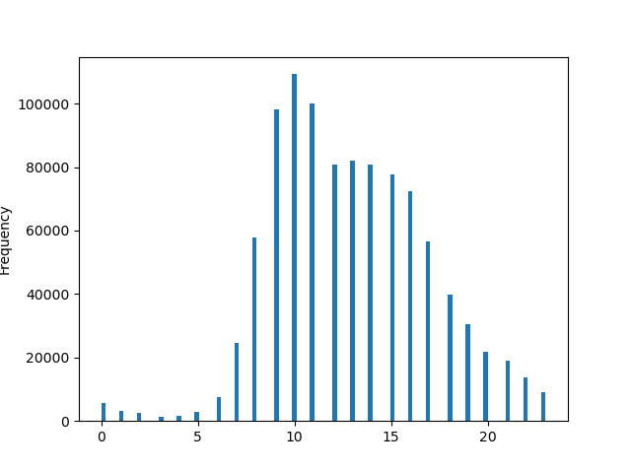
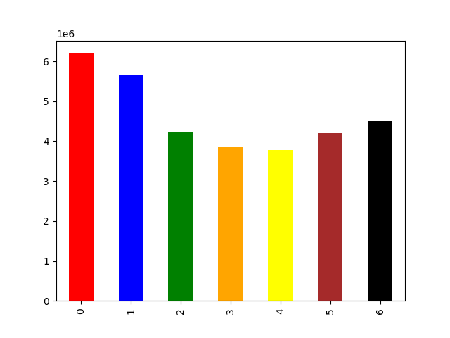

 |  | Key |  |  |  | Key
 |  | X-Axis- | 0 | Saturday |  | X-Axis | Hour of the day
 |  |  | 1 | Sunday |  | Y-Axis | Number of orders
 |  |  | 2 | Monday
 |  |  | 3 | Tuesday
 |  |  | 4 | Wednesday
 |  |  | 5 | Thursday
 |  |  | 6 | Friday
 |  | Y-Axis | Orders in millions

Saturday is the peak day of the week as it pertains to busiest day. Sunday is a close second. Peak hours for purchasing starts at 9am and begins to taper off after 4pm.

They also want to know whether there are particular times of the day when people spend the most money, as this might inform the type of products they advertise at these times.
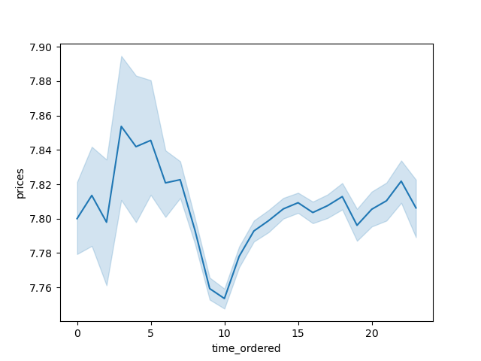

It appears that people spend the most around 4-5 am

Instacart has a lot of products with different price tags. Marketing and sales want to use simpler price range groupings to help direct their efforts.
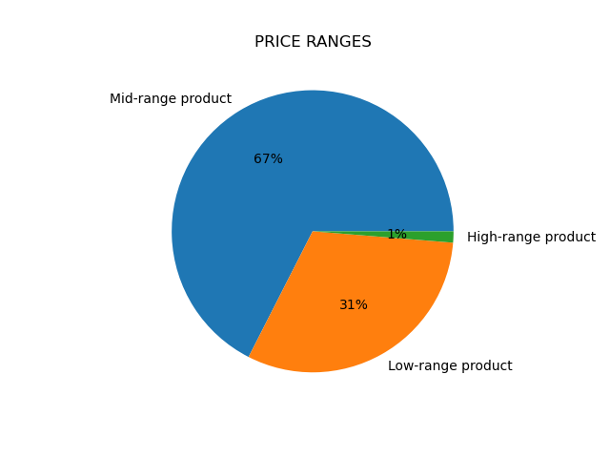

The majority of products fall into the mid-range product section. Higher priced products only comprise of 1 percent of the total products carried.

Are there certain types of products that are more popular than others? The marketing and sales teams want to know which departments have the highest frequency of product orders.

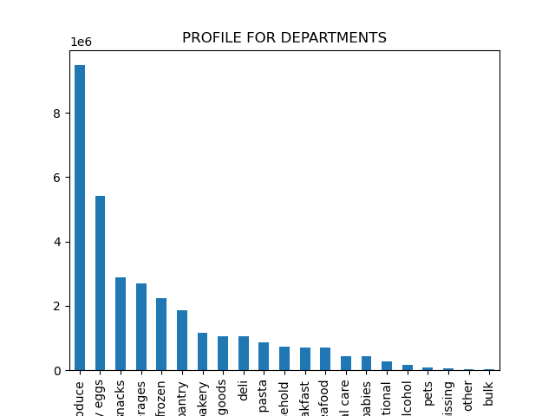

Produce, dairy/eggs, and snacks are the 3 most popular departments.

What’s the distribution among users in regards to their brand loyalty (i.e., how often do they return to Instacart)?
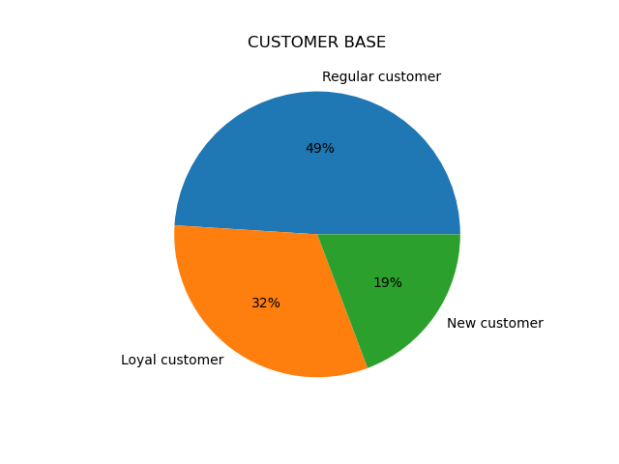
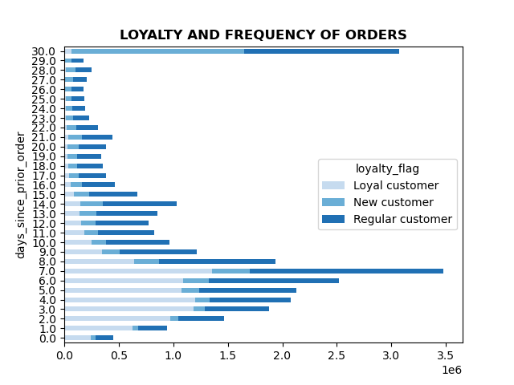

The largest group of customers are regular customers while the smallest group are non-frequent customers. Loyal customers return with in 7 days

Are there differences in ordering habits based on a customer’s loyalty status?
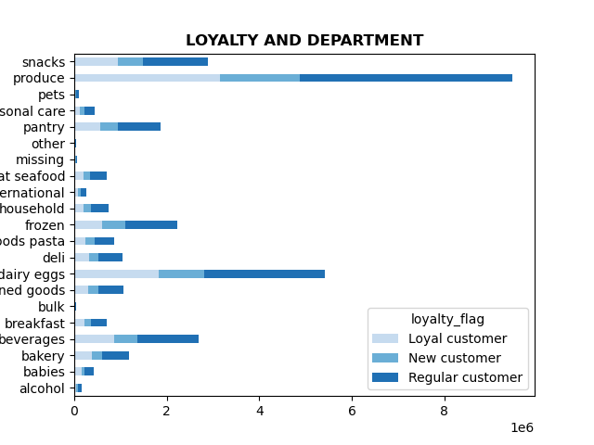

It seems that regular customers order more, in contrast the the loyal members who order more frequently

Are there differences in ordering habits based on a customer’s region?
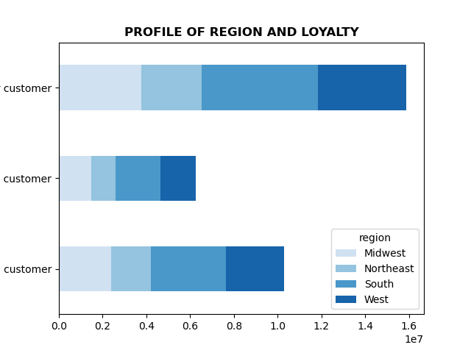
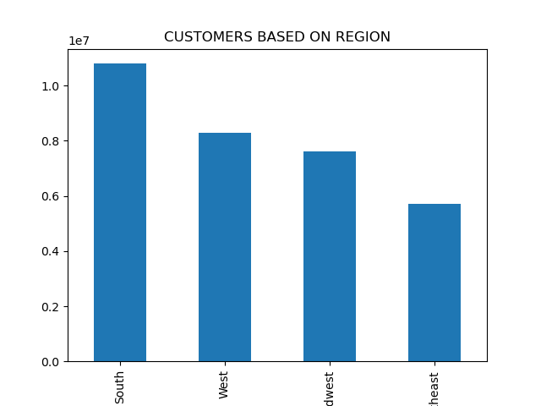
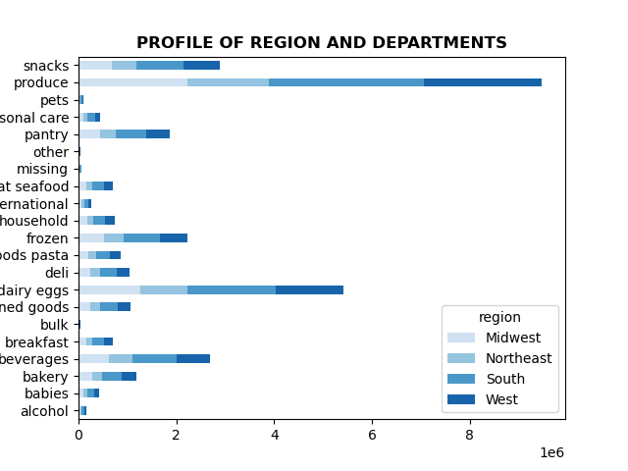

The Southern region spends the most in almost every department, however the Northeast region has the most loyal and regular customers.

Is there a connection between age and family status in terms of ordering habits?
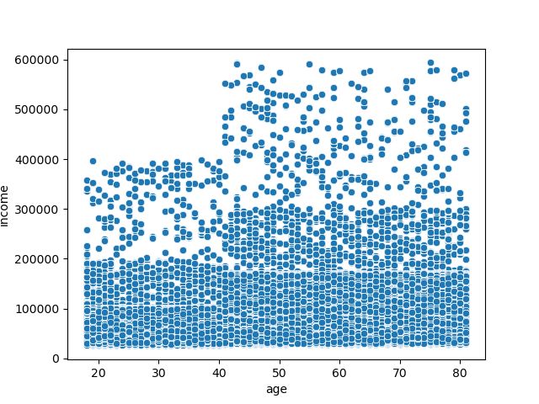
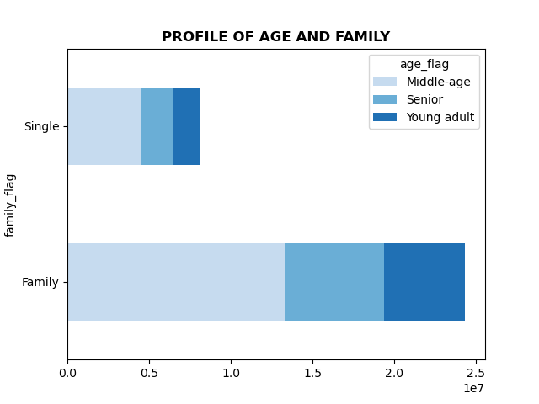


There is no direct correlation between age and family status. Ages 40 and above have much higher spending power. Also, when looking at the customer age breakdown, the majority of customers, single or in a family, are middle-aged.
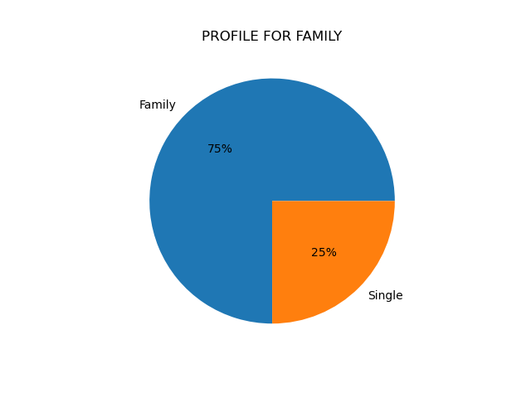
What different classifications does the demographic information suggest? Age? Income? Certain types of goods? Family status?
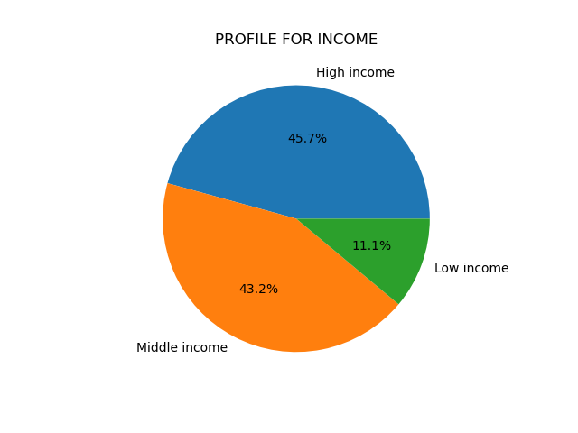
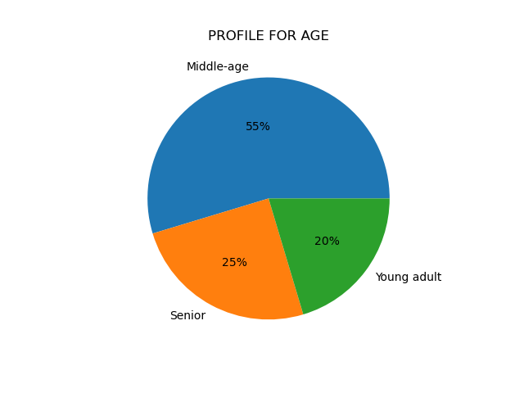

The age profile shows that the majority of customers are middle aged.
The income profile shows that the majority of customers are middle or high income
The department profile shows that produce, dairy/eggs, and snacks are the 3 most popular departments
The family status profile shows an overwhelming majority of customers are in a family

What differences can you find in ordering habits of different customer profiles? Consider the price of orders, the frequency of orders, the products customers are ordering, and anything else you can think of.
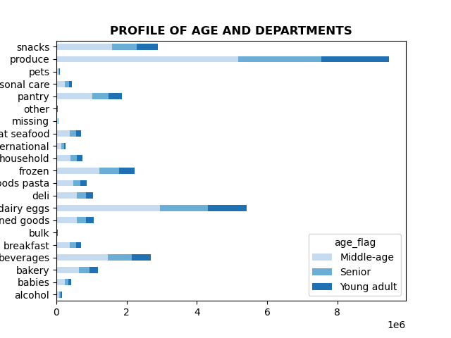
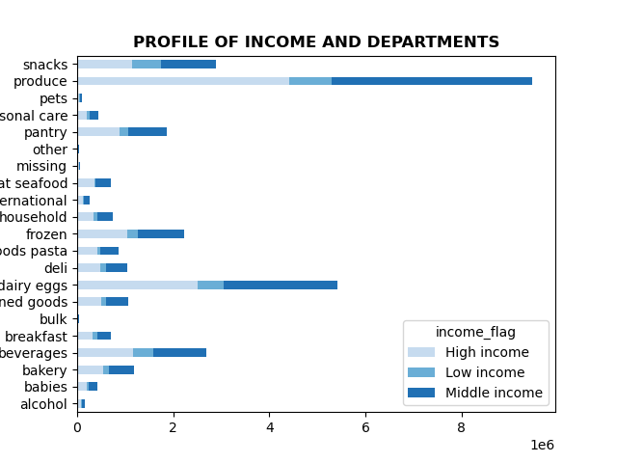
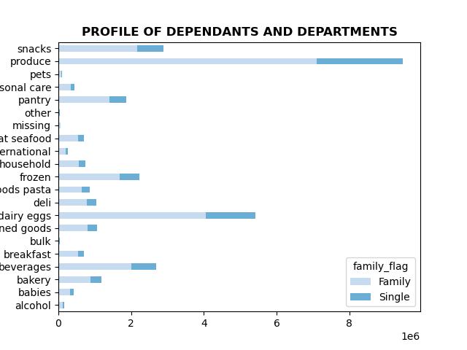


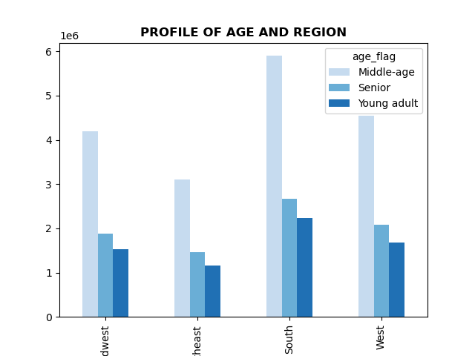
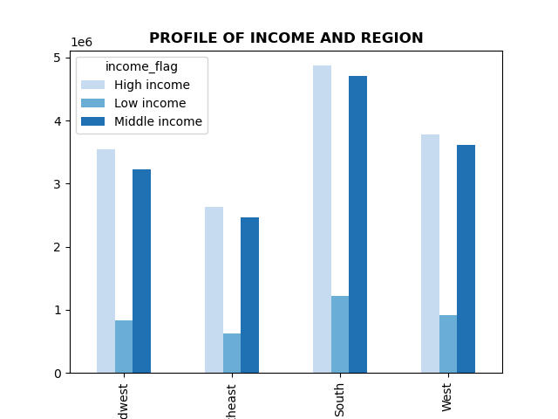

 | In every department, the middle aged demographic dominate
 | In every department, the low income demographic are the lowest while high and middle income demographics are very similar
 | In every department, the family demographic is a much high percentage than the single demographic. However, alcohol is one department where both demographics order the same
 | Regardless of region, the middle age demographic constitues the majority of customers
 | Regardless of region, the high income demographic is the highest of any age demographic. Middle income is a close second.

7. Recommendations
 | Title page

Recommendations

Q: The sales team needs to know what the busiest days of the week and hours of the day are (i.e., the days and times with the most orders) in order to schedule ads at times when there are fewer orders.

A: The busiest hours are from 10 am - 3pm. The two busiest days are Saturday and Sunday.

R: I would recommend scheduling ads for before and after 10 am-3pm, Monday-Thursday.

Q: They also want to know whether there are particular times of the day when people spend the most money, as this might inform the type of products they advertise at these times.

A: People spend the most money around 4-5 am.

R: I recommend adversiting higher priced items right before those times or at the end of the night to increase sales

Q: Instacart has a lot of products with different price tags. Marketing and sales want to use simpler price range groupings to help direct their efforts.

A: High range products are greater than $ 15. Mid-range products are between $ 15-$ 5. Low-range products are below $ 5.

R: Because high-range products are only 1 % percent of products, devise a coupon to incentivise purchases of high-ranged products.

Q: Are there certain types of products that are more popular than others? The marketing and sales teams want to know which departments have the highest frequency of product orders.

A: Produce, dairy/eggs, and snacks are the three biggest departments.

R: Create coupons for the least popular departments like pets, alcohol, and international.

Q: What’s the distribution among users in regards to their brand loyalty (i.e., how often do they return to Instacart)?

A: 49% are regular customers, 32% are loyal customers, and 19% are new customers.

R: Create a rewards programs based on freqency of prior ordering. Loyal customers make another order within 7 days, use that as a blueprint on how to convert regular customers into loyal customers

Q: Are there differences in ordering habits based on a customer’s loyalty status and region?

A: Loyal customers orders fall withing 7 days of each other. Regionally, the South orders the most and Northeast is the least

R: Create a rewards program for the Northeast to boost sales. More exploratory research into why its not as popular in the Northeast.

Q: Is there a connection between age and family status in terms of ordering habits?

A: There is no direct correlation between age and family status.

R: In terms of age, people above the age of 40 have a higher spending power. High priced items that are advertised should be targeted towards a demographic of 40 year of age and above.

Q: What different classifications does the demographic information suggest? Age? Income? Certain types of goods? Family status?

A: The majority of customers are middle aged, high to middle income, who purchase produce, dairy/eggs, and snacks the most, and are most likely part of a family, as opposed to being single.

Q: What differences can you find in ordering habits of different customer profiles? Consider the price of orders, the frequency of orders, the products customers are ordering, and anything else you can think of.

A: The majority of products purchased are mid-range. Only 1% percent of products are high-range. Loyal customers make a subsequent order with in 7 days. The products ordered most are produce, dairy/eggs, and snacks.

R: Incentivise purchases of high-range products. Create a rewards program for new and regular customers to encourage becoming loyal customers. Advertise for products that are least popular.

